Sheet1
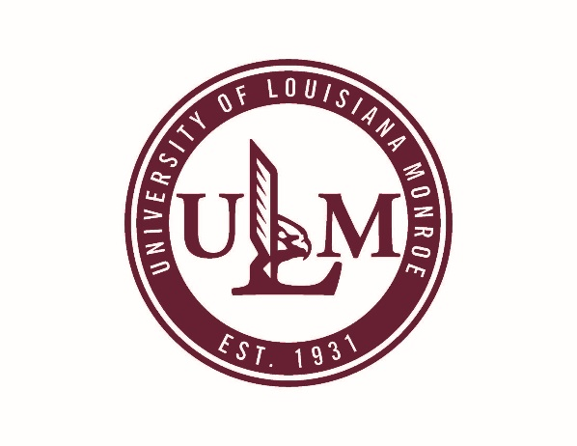
University of Louisiana at Monroe
Office of Sponsored Programs and Research
Location: Sandel 213

Agreement Routing Form
TO: | Dr. John Sutherlin
 | Chief Innovation and Research Officer
 | Office of Sponsored Programs and Research

THROUGH: | Cheri Perkins | Initial: | Date:
 | Director
 | Purchasing

THROUGH: | LaWanna Bell | Initial: | Date:
 | Director
 | Office of Sponsored Programs and Research
Please complete the information below, attach agreement document and send to OSPR.
THROUGH: |  | Initial: | Date:
(DEAN)

THROUGH: |  | Initial: | Date:
(DIRECTOR)

FROM PI/PD: |  | Initial: | Date:

Contract
subagreement
Amendment/Revision/Extension, Number:
AGREEMENT TYPE:
MOU/Agreement
Material transfer agreement
other:

CONTRACT, SUBAGREEMENT OR AMENDEMENT: (enter all information that applies to your agreement)
Project Title:
Contract number: |  | Grant Index #: | CFDA#:
to ULM
to partnering entity
Funding Amount: |  |  | PO#:
 | -If funding amount is changing, list new proposed amount:

PROJECT DATES: | Start: | End:

DEADLINE FOR AGREEMENT: (if applicable)

PARTNERING ENTITY INFORMATION
Name of Entity:
Contact Person:
Address:
City, State, Zip:
Other Contact information:
- If the partnering entity is not the primary funder, list funder (NIH, NSF, etc.):

partnering entity (above)
next ULM Department
me, or
AGREEMENT ROUTING INSTRUCTIONS: (OSPR will always return copies to the PI/PD)
Forward the (signed) original agreement to:
other:
SPECIAL INSTRUCTIONS:

